START HERE!
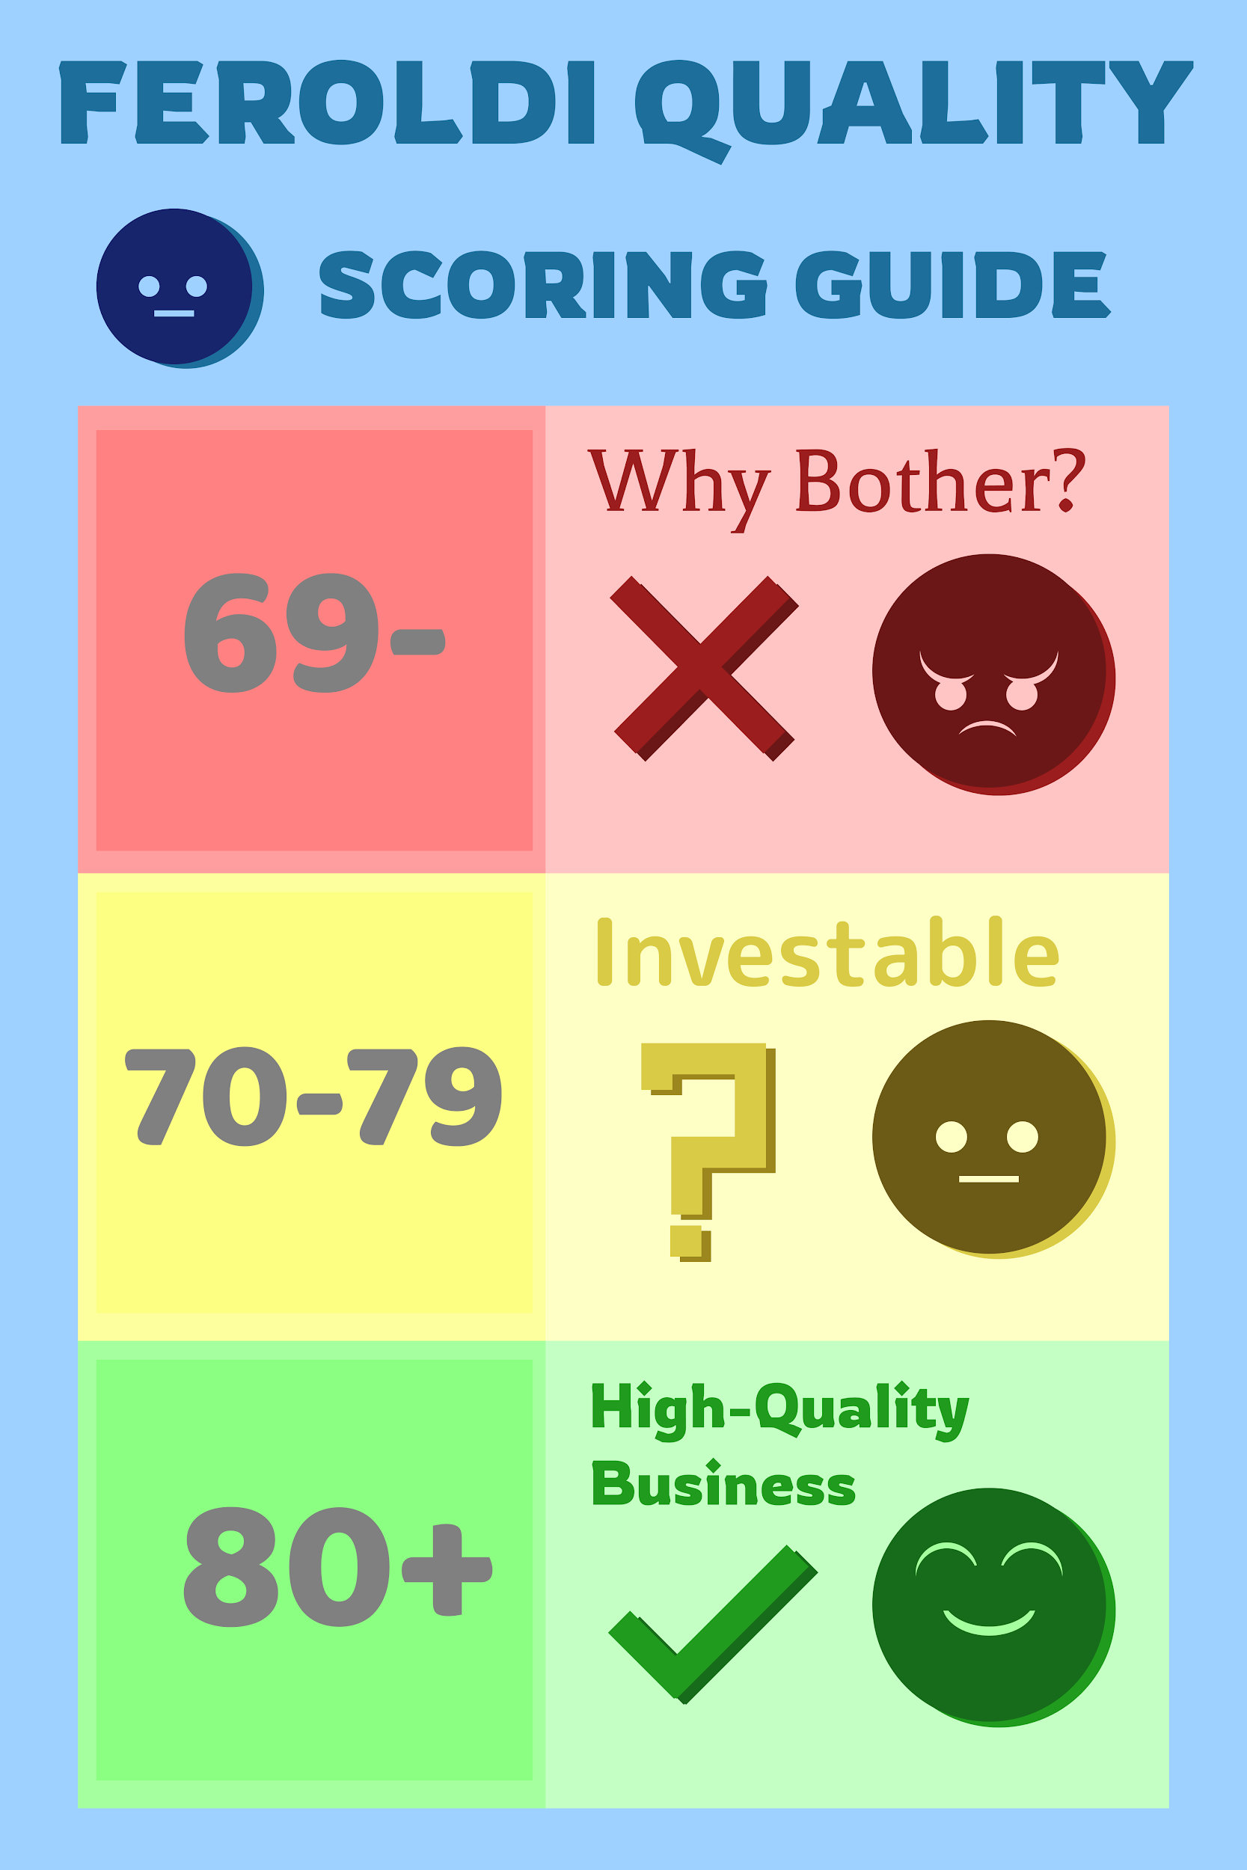
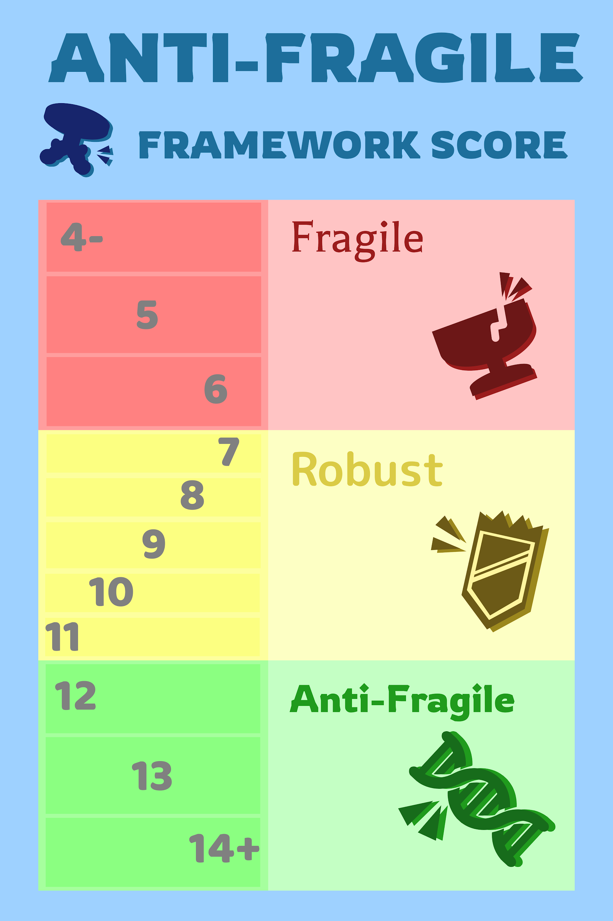
Thank You for downloading our checklist! | Connect With Brian Feroldi
 | Twitter
Whenever you see a cell in yellow, this is data that you need to fill in | YouTube
Whenever you see a cell in blue, this is a formula, do not change it! | Brian Feroldi's Holdings
 | Free Newsletter
*Important: Make sure you type in the exact same stock symbol into the "Portfolio" tab, "Feroldi Quality Score" tab, and "Anti-Fragile Score" tab or the formulas will not work | Instagram

How To Use Brian's Checklist - Watch On YouTube | Connect With Brian Stoffel
Want to see video examples of stocks being scored? | Twitter
Coinbase ($COIN) | YouTube
Coupang ($CPNG) | Brian Stoffel's Holdings
Spotify ($SPOT)
UpStart ($USPT)

Anti-Fragile Score
 |  |  | Enter Stock Ticker Here | Enter Stock Ticker Here | Enter Stock Ticker Here | Enter Stock Ticker Here | Enter Stock Ticker Here | Enter Stock Ticker Here | Enter Stock Ticker Here | Enter Stock Ticker Here | Enter Stock Ticker Here | Enter Stock Ticker Here | Enter Stock Ticker Here | Enter Stock Ticker Here | Enter Stock Ticker Here | Enter Stock Ticker Here | Enter Stock Ticker Here | Enter Stock Ticker Here | Enter Stock Ticker Here | Enter Stock Ticker Here | Enter Stock Ticker Here | Enter Stock Ticker Here | Enter Stock Ticker Here | Enter Stock Ticker Here | Enter Stock Ticker Here | Enter Stock Ticker Here | Enter Stock Ticker Here | Enter Stock Ticker Here | Enter Stock Ticker Here | Enter Stock Ticker Here | Enter Stock Ticker Here | Enter Stock Ticker Here | Enter Stock Ticker Here | Enter Stock Ticker Here | Enter Stock Ticker Here | Enter Stock Ticker Here | Enter Stock Ticker Here | Enter Stock Ticker Here | Enter Stock Ticker Here | Enter Stock Ticker Here | Enter Stock Ticker Here | Enter Stock Ticker Here | Enter Stock Ticker Here | Enter Stock Ticker Here | Enter Stock Ticker Here | Enter Stock Ticker Here | Enter Stock Ticker Here | Enter Stock Ticker Here | Enter Stock Ticker Here | Enter Stock Ticker Here | Enter Stock Ticker Here | Enter Stock Ticker Here | Enter Stock Ticker Here | Enter Stock Ticker Here | Enter Stock Ticker Here | Enter Stock Ticker Here | Enter Stock Ticker Here | Enter Stock Ticker Here | Enter Stock Ticker Here | Enter Stock Ticker Here | Enter Stock Ticker Here | Enter Stock Ticker Here | Enter Stock Ticker Here | Enter Stock Ticker Here | Enter Stock Ticker Here | Enter Stock Ticker Here | Enter Stock Ticker Here | Enter Stock Ticker Here | Enter Stock Ticker Here | Enter Stock Ticker Here | Enter Stock Ticker Here | Enter Stock Ticker Here | Enter Stock Ticker Here | Enter Stock Ticker Here | Enter Stock Ticker Here | Enter Stock Ticker Here | Enter Stock Ticker Here | Enter Stock Ticker Here | Enter Stock Ticker Here | Enter Stock Ticker Here | Enter Stock Ticker Here | Enter Stock Ticker Here | Enter Stock Ticker Here | Enter Stock Ticker Here | Enter Stock Ticker Here | Enter Stock Ticker Here | Enter Stock Ticker Here | Enter Stock Ticker Here | Enter Stock Ticker Here | Enter Stock Ticker Here | Enter Stock Ticker Here | Enter Stock Ticker Here | Enter Stock Ticker Here | Enter Stock Ticker Here | Enter Stock Ticker Here | Enter Stock Ticker Here | Enter Stock Ticker Here | Enter Stock Ticker Here | Enter Stock Ticker Here | Enter Stock Ticker Here | Enter Stock Ticker Here | Enter Stock Ticker Here
Date
Anti-Fragile Score |  |  | 0 | 0 | 0 | 0 | 0 | 0 | 0 | 0 | 0 | 0 | 0 | 0 | 0 | 0 | 0 | 0 | 0 | 0 | 0 | 0 | 0 | 0 | 0 | 0 | 0 | 0 | 0 | 0 | 0 | 0 | 0 | 0 | 0 | 0 | 0 | 0 | 0 | 0 | 0 | 0 | 0 | 0 | 0 | 0 | 0 | 0 | 0 | 0 | 0 | 0 | 0 | 0 | 0 | 0 | 0 | 0 | 0 | 0 | 0 | 0 | 0 | 0 | 0 | 0 | 0 | 0 | 0 | 0 | 0 | 0 | 0 | 0 | 0 | 0 | 0 | 0 | 0 | 0 | 0 | 0 | 0 | 0 | 0 | 0 | 0
1. Barbell method | Min | Max
Mission Statement: Simple, inspirational, optionable (-1 to +2) | -1 | 2 | 0 | 0 | 0 | 0 | 0 | 0 | 0 | 0 | 0 | 0 | 0 | 0 | 0 | 0 | 0 | 0 | 0 | 0 | 0 | 0 | 0 | 0 | 0 | 0 | 0 | 0 | 0 | 0 | 0 | 0 | 0 | 0 | 0 | 0 | 0 | 0 | 0 | 0 | 0 | 0 | 0 | 0 | 0 | 0 | 0 | 0 | 0 | 0 | 0 | 0 | 0 | 0 | 0 | 0 | 0 | 0 | 0 | 0 | 0 | 0 | 0 | 0 | 0 | 0 | 0 | 0 | 0 | 0 | 0 | 0 | 0 | 0 | 0 | 0 | 0 | 0 | 0 | 0 | 0 | 0 | 0 | 0 | 0 | 0 | 0
Moat: Network effect, Switching Costs, Low-Cost, Intangibles (0 to +2 points for each) | 0 | 8 | 0 | 0 | 0 | 0 | 0 | 0 | 0 | 0 | 0 | 0 | 0 | 0 | 0 | 0 | 0 | 0 | 0 | 0 | 0 | 0 | 0 | 0 | 0 | 0 | 0 | 0 | 0 | 0 | 0 | 0 | 0 | 0 | 0 | 0 | 0 | 0 | 0 | 0 | 0 | 0 | 0 | 0 | 0 | 0 | 0 | 0 | 0 | 0 | 0 | 0 | 0 | 0 | 0 | 0 | 0 | 0 | 0 | 0 | 0 | 0 | 0 | 0 | 0 | 0 | 0 | 0 | 0 | 0 | 0 | 0 | 0 | 0 | 0 | 0 | 0 | 0 | 0 | 0 | 0 | 0 | 0 | 0 | 0 | 0 | 0
Optionality: (+1, +2, +3) | 0 | 3 | 0 | 0 | 0 | 0 | 0 | 0 | 0 | 0 | 0 | 0 | 0 | 0 | 0 | 0 | 0 | 0 | 0 | 0 | 0 | 0 | 0 | 0 | 0 | 0 | 0 | 0 | 0 | 0 | 0 | 0 | 0 | 0 | 0 | 0 | 0 | 0 | 0 | 0 | 0 | 0 | 0 | 0 | 0 | 0 | 0 | 0 | 0 | 0 | 0 | 0 | 0 | 0 | 0 | 0 | 0 | 0 | 0 | 0 | 0 | 0 | 0 | 0 | 0 | 0 | 0 | 0 | 0 | 0 | 0 | 0 | 0 | 0 | 0 | 0 | 0 | 0 | 0 | 0 | 0 | 0 | 0 | 0 | 0 | 0 | 0

2. Financial fortitude
Cash, Debt, Free Cash Flow (-1, 0, 1) | -1 | 1 | 0 | 0 | 0 | 0 | 0 | 0 | 0 | 0 | 0 | 0 | 0 | 0 | 0 | 0 | 0 | 0 | 0 | 0 | 0 | 0 | 0 | 0 | 0 | 0 | 0 | 0 | 0 | 0 | 0 | 0 | 0 | 0 | 0 | 0 | 0 | 0 | 0 | 0 | 0 | 0 | 0 | 0 | 0 | 0 | 0 | 0 | 0 | 0 | 0 | 0 | 0 | 0 | 0 | 0 | 0 | 0 | 0 | 0 | 0 | 0 | 0 | 0 | 0 | 0 | 0 | 0 | 0 | 0 | 0 | 0 | 0 | 0 | 0 | 0 | 0 | 0 | 0 | 0 | 0 | 0 | 0 | 0 | 0 | 0 | 0
Concentration: (0 to -3) | -3 | 0 | 0 | 0 | 0 | 0 | 0 | 0 | 0 | 0 | 0 | 0 | 0 | 0 | 0 | 0 | 0 | 0 | 0 | 0 | 0 | 0 | 0 | 0 | 0 | 0 | 0 | 0 | 0 | 0 | 0 | 0 | 0 | 0 | 0 | 0 | 0 | 0 | 0 | 0 | 0 | 0 | 0 | 0 | 0 | 0 | 0 | 0 | 0 | 0 | 0 | 0 | 0 | 0 | 0 | 0 | 0 | 0 | 0 | 0 | 0 | 0 | 0 | 0 | 0 | 0 | 0 | 0 | 0 | 0 | 0 | 0 | 0 | 0 | 0 | 0 | 0 | 0 | 0 | 0 | 0 | 0 | 0 | 0 | 0 | 0 | 0

3. Skin in the game
Glassdoor: (+1 for 4.0 or higher, 0 if 3.5 to 4, -1 if below 3.5) | -1 | 1 | 0 | 0 | 0 | 0 | 0 | 0 | 0 | 0 | 0 | 0 | 0 | 0 | 0 | 0 | 0 | 0 | 0 | 0 | 0 | 0 | 0 | 0 | 0 | 0 | 0 | 0 | 0 | 0 | 0 | 0 | 0 | 0 | 0 | 0 | 0 | 0 | 0 | 0 | 0 | 0 | 0 | 0 | 0 | 0 | 0 | 0 | 0 | 0 | 0 | 0 | 0 | 0 | 0 | 0 | 0 | 0 | 0 | 0 | 0 | 0 | 0 | 0 | 0 | 0 | 0 | 0 | 0 | 0 | 0 | 0 | 0 | 0 | 0 | 0 | 0 | 0 | 0 | 0 | 0 | 0 | 0 | 0 | 0 | 0 | 0
Founder: (+1 if involved) | 0 | 1 | 0 | 0 | 0 | 0 | 0 | 0 | 0 | 0 | 0 | 0 | 0 | 0 | 0 | 0 | 0 | 0 | 0 | 0 | 0 | 0 | 0 | 0 | 0 | 0 | 0 | 0 | 0 | 0 | 0 | 0 | 0 | 0 | 0 | 0 | 0 | 0 | 0 | 0 | 0 | 0 | 0 | 0 | 0 | 0 | 0 | 0 | 0 | 0 | 0 | 0 | 0 | 0 | 0 | 0 | 0 | 0 | 0 | 0 | 0 | 0 | 0 | 0 | 0 | 0 | 0 | 0 | 0 | 0 | 0 | 0 | 0 | 0 | 0 | 0 | 0 | 0 | 0 | 0 | 0 | 0 | 0 | 0 | 0 | 0 | 0
Ownership: (-1 if less than 4%, 0 if 4% to 8%, +1 if more than 8%) | -1 | 1 | 0 | 0 | 0 | 0 | 0 | 0 | 0 | 0 | 0 | 0 | 0 | 0 | 0 | 0 | 0 | 0 | 0 | 0 | 0 | 0 | 0 | 0 | 0 | 0 | 0 | 0 | 0 | 0 | 0 | 0 | 0 | 0 | 0 | 0 | 0 | 0 | 0 | 0 | 0 | 0 | 0 | 0 | 0 | 0 | 0 | 0 | 0 | 0 | 0 | 0 | 0 | 0 | 0 | 0 | 0 | 0 | 0 | 0 | 0 | 0 | 0 | 0 | 0 | 0 | 0 | 0 | 0 | 0 | 0 | 0 | 0 | 0 | 0 | 0 | 0 | 0 | 0 | 0 | 0 | 0 | 0 | 0 | 0 | 0 | 0

Total: (ignore below 7, 7 - 12 investable, 12+ is fantastic) | -7 | 17 | 0 | 0 | 0 | 0 | 0 | 0 | 0 | 0 | 0 | 0 | 0 | 0 | 0 | 0 | 0 | 0 | 0 | 0 | 0 | 0 | 0 | 0 | 0 | 0 | 0 | 0 | 0 | 0 | 0 | 0 | 0 | 0 | 0 | 0 | 0 | 0 | 0 | 0 | 0 | 0 | 0 | 0 | 0 | 0 | 0 | 0 | 0 | 0 | 0 | 0 | 0 | 0 | 0 | 0 | 0 | 0 | 0 | 0 | 0 | 0 | 0 | 0 | 0 | 0 | 0 | 0 | 0 | 0 | 0 | 0 | 0 | 0 | 0 | 0 | 0 | 0 | 0 | 0 | 0 | 0 | 0 | 0 | 0 | 0 | 0

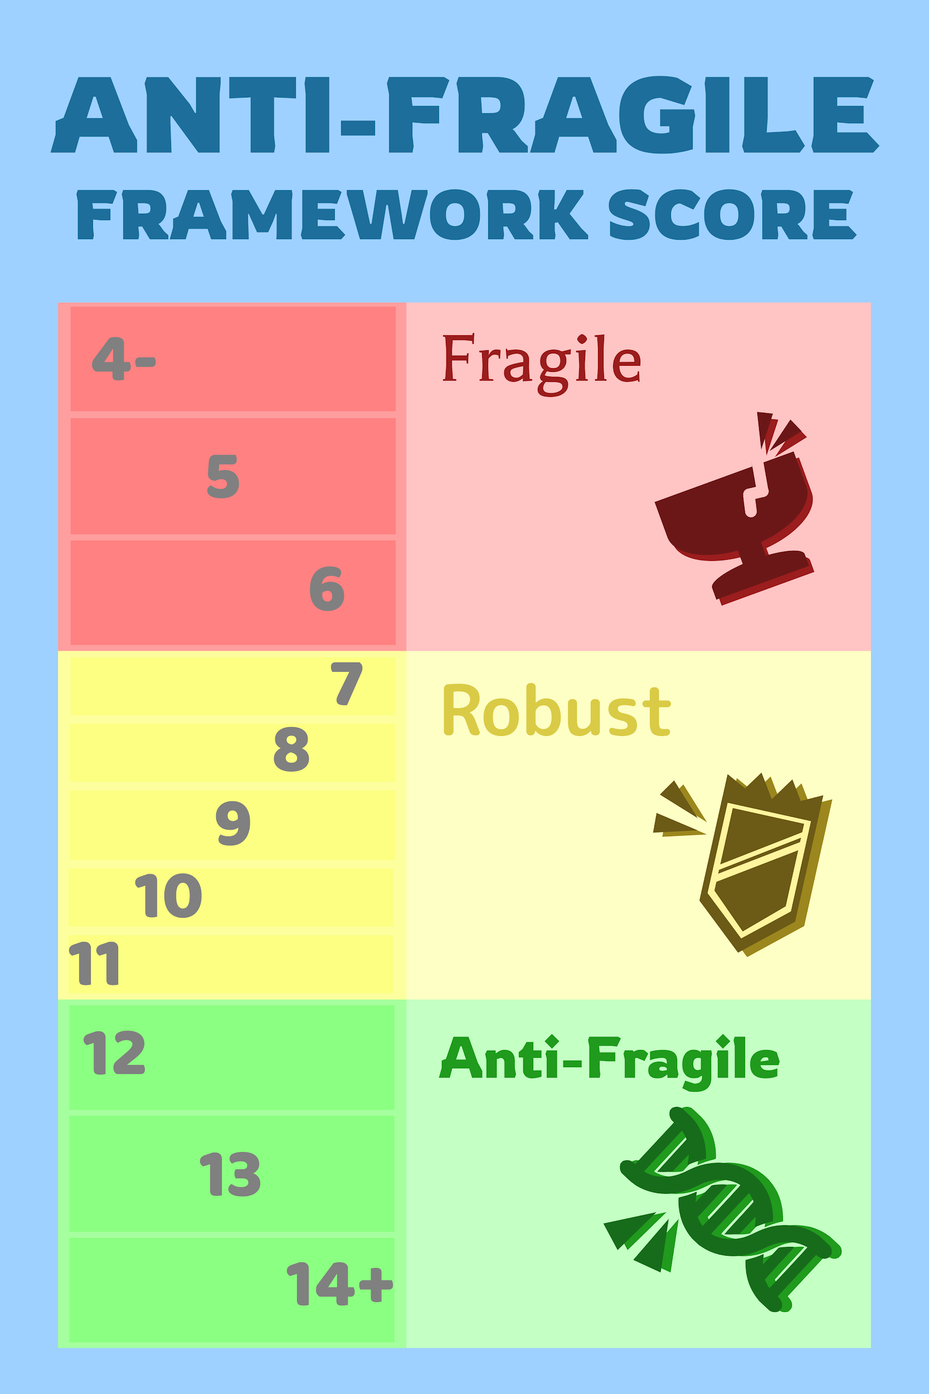
Details:
https://boards.fool.com/antifragile-framework-review-34462599.aspx?sort=whole#34462599

